Brake Stack Sizing
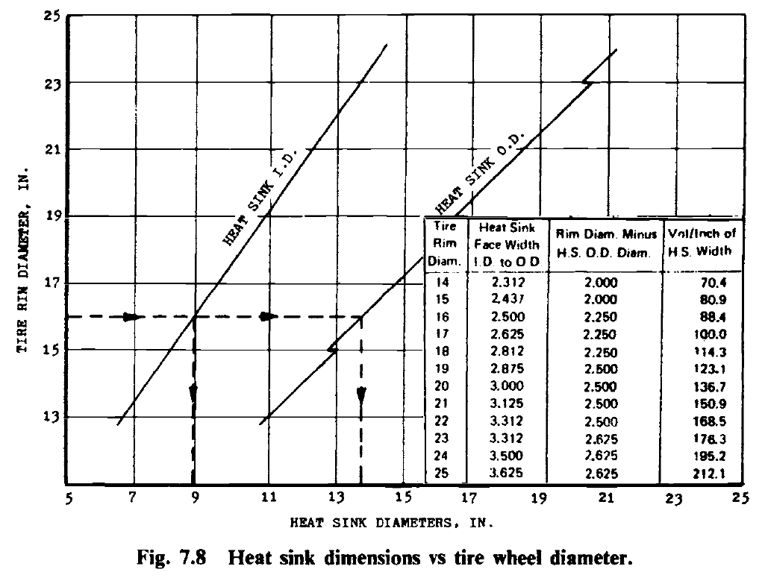
1st order brake sizing
KE = CWV^2 |  |  |  |  |  | Currey Heat Sink Face Width
C | 0.0423 | tricycle LG |  |  |  | Rim Diam - IN | ID (IN) | OD (IN) | Vol/In
W(TO) | 415000 | Lbs | 188208.61678 | kg |  | 14 | 7.375 | 12 | 70.4
V1 | 185 | KEAS
V1 | 200 | KTAS | 3000ft 100def F |  |  | 15 | 8.125 | 13 | 80.9 |  | OD step
W(MLW) | 269750 |  |  |  |  | 16 | 8.75 | 13.75 | 88.4
Vapp | 165 | KEAS
Vapp | 178 | KTAS | 3000ft 100def F |  |  | 17 | 9.5 | 14.75 | 100
# Wheels | 12 |  |  |  |  | 18 | 10.125 | 15.75 | 114.3
ft-lb to BTU | 0.13 |  |  |  |  | 19 | 10.75 | 16.5 | 123.1
W(250 stop) | 220000 |  |  |  |  | 20 | 10.5 | 17.5 | 136.7
KE RTO | 702180000 | ft-lb | 702.18 |  |  | 21 | 12.25 | 18.5 | 150.9
KE/Wheel | 58515000 | ft-lb | 58.515 | x10^6 |  | 22 | 12.875 | 19.5 | 168.5
KE Landing | 361527905.7 | ft-lb | 361.5279057 |  |  | 23 | 12.75 | 20.375 | 176.3 |  | OD Step
KE/Wheel | 30127325.475 | ft-lb | 30.127325475 | x10^6 |  | 24 | 14.375 | 21.375 | 195.2
KE Landing | 294851304 | ft-lb | 294.851304 |  |  | 25 | 15.125 | 22.375 | 212.1
KE/Wheel | 24570942 | ft-lb | 24.570942 | x10^6
Brake Assy Weight (RTO) | 195.05 | lb | 2340.6 | 1521.39 | -819.21
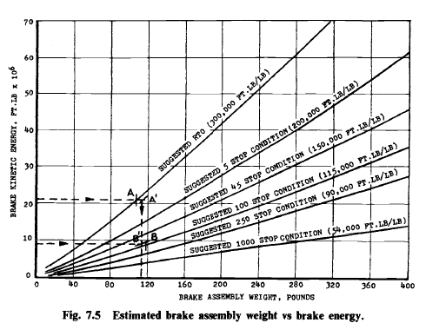
Brake Assy Weight (100 Stop) | 261.97674326 | lb | 3143.7209191 | 2043.4185974 | -1100.3023217
Brake Assy Weight 250 Stop | 273.01046667 | lb | 3276.1256 | 2129.48164 | -1146.64396
Max Weight | 261.97674326 | lb
Volume | 792.41154771 | in3

Rim Diam | 19
Brake ID | 10.750
Brake OD | 16.500
vol/in (surface area) | 123.100

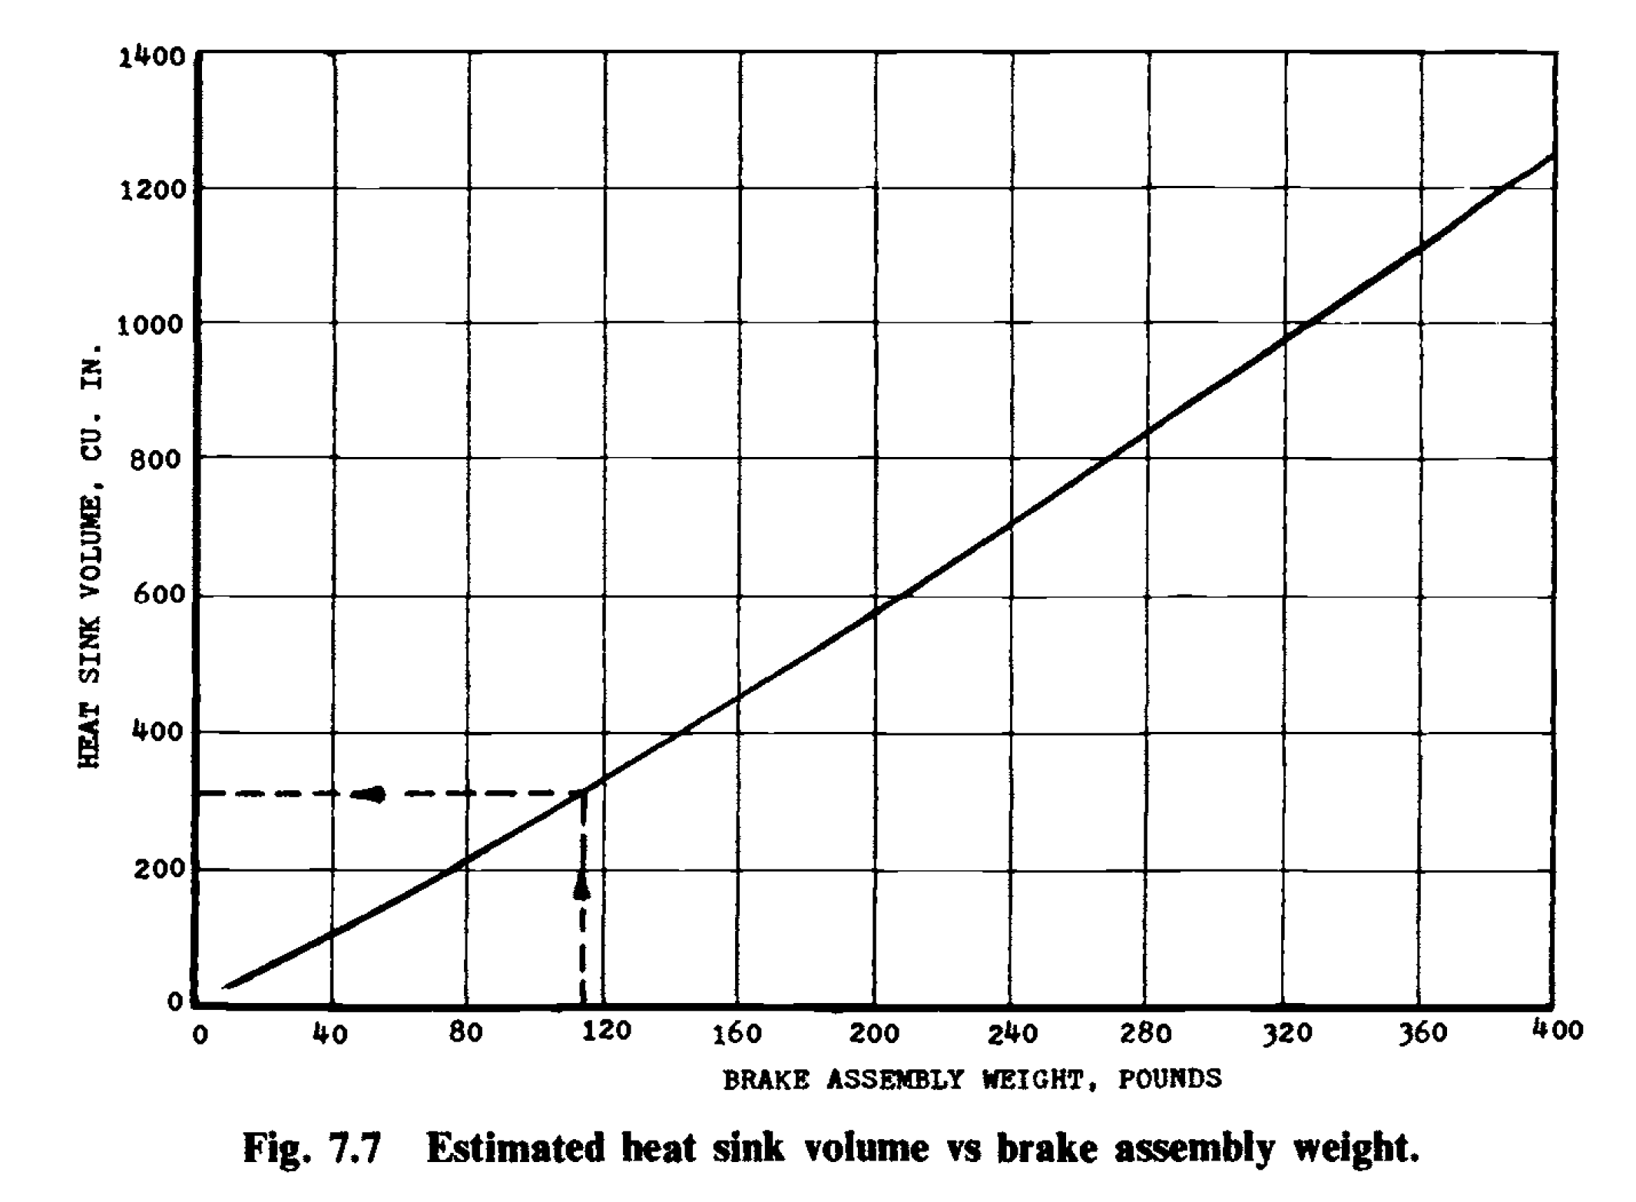
Req Heat Sink Width (steel) | 6.437136862 | in
torque plate width | 1.5 | in | (assumed .75" each)
piston housing | 2 | in | curry
 | vol | weight
Carb+Carb | 1.8 | 0.65 |  |  |  |  |  |  |  |  |  |  | weight to vol
Beryllium | 1.4 | 0.65 |  |  |  |  |  |  |  |  |  |  | 114 | 305 |  | 0.3035971223 | slope
 |  |  |  |  |  |  |  |  |  |  |  |  | 325 | 1000 |  | 21.402877698 | b
 | Steel | Carbon | Beryllium
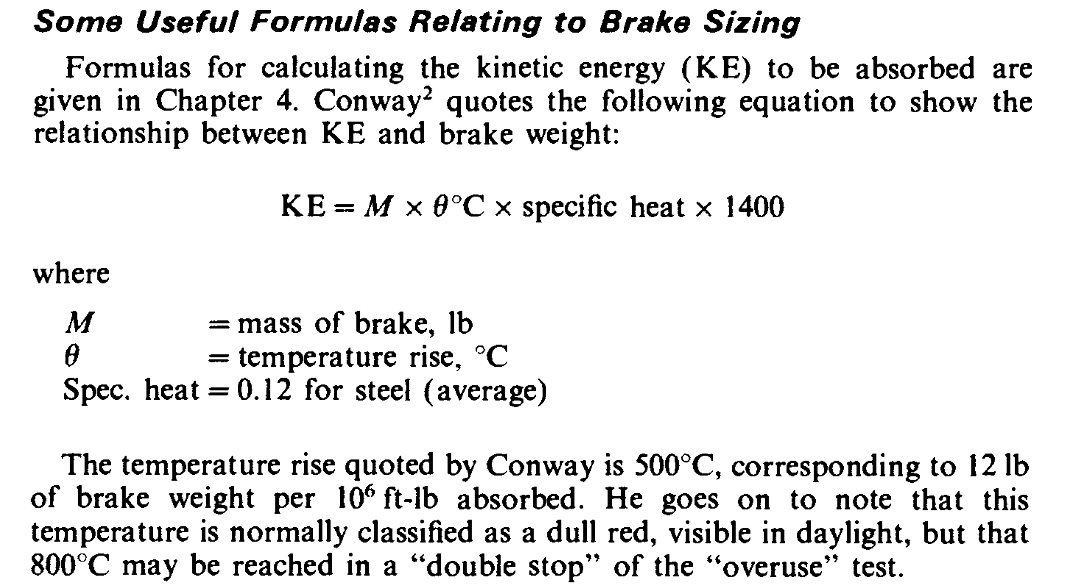
Weight (lb) | 261.97674326 | 170.28488312 | 170.28488312
Stackup (in) | 9.937136862 | 15.086846352 | 12.511991607
Cp (btu/lb degF) | 0.13 | 0.31 | 0.56
Heat Rise Landing (Deg C) | 631.86813187 | 407.65685927 | 225.66718995
Heat Rise RTO (Deg C) | 1227.2501177 | 791.77426951 | 438.30361348
Deg F | 1137.3626374 | 733.78234669 | 406.20094192
Deg F | 2209.0502119 | 1425.1936851 | 788.94650426
Thermal Conductivity (BTU/h*ft^2*degF) | 24 | 100 | 75

limit (Deg F) | 2000 | RTO
 | 930 | Typical
 | 400 | Retractable Gear

Rotor Sizing
Assumed Stopping G | 0.37 |  | G | 9.8 | m/s2
F = ma | 682444.44444 | N | brake eff | 0.2
per tire | 56870.37037 | N | Rotors assumed | 3
Torque - F*r | 24074.221725 | N*m | frictional R | 0.17560565749 | m
ground friction req | 0.38947368421 |  | <.45 means non friction limited
F = t/(2Nxeff=r) | 114243.76483 | N
 |  |  | Hyd Press | 5000 | psi
Piston Area | 3682.0164316 | mm2 | Eff | 4500
# pistons | 4.5784835011 |  |  | 31.0275 | N/mm2
 |  |  | 32 diam mm piston | 804.2 | mm2

Cooling Steel
Time | 0 | 6 | 12 | 18 | 24 | 30 | 36 | 42 | 48 | 54 | 60 | 66 | 72 | 78 | 84 | 90
outdoor air | 100 | 100 | 100 | 100 | 100 | 100 | 100 | 100 | 100 | 100 | 100 | 100 | 100 | 100 | 100 | 100
T0 (deg F) | 1387.3626374 | 1309.8090999 | 1236.927557 | 1168.4365575 | 1104.0716053 | 1043.5841385 | 986.74056881 | 933.32137993 | 883.12027968 | 835.94340336 | 791.60856513 | 749.9445544 | 710.79047469 | 673.99512227 | 639.41640226 | 606.92077987
Area (ft2) | 0.85486111111 | 0.85486111111 | 0.85486111111 | 0.85486111111 | 0.85486111111 | 0.85486111111 | 0.85486111111 | 0.85486111111 | 0.85486111111 | 0.85486111111 | 0.85486111111 | 0.85486111111 | 0.85486111111 | 0.85486111111 | 0.85486111111 | 0.85486111111
Hc | 24 | 24 | 24 | 24 | 24 | 24 | 24 | 24 | 24 | 24 | 24 | 24 | 24 | 24 | 24 | 24
Weight | 261.97674326 | 261.97674326 | 261.97674326 | 261.97674326 | 261.97674326 | 261.97674326 | 261.97674326 | 261.97674326 | 261.97674326 | 261.97674326 | 261.97674326 | 261.97674326 | 261.97674326 | 261.97674326 | 261.97674326 | 261.97674326
Cp | 0.13 | 0.13 | 0.13 | 0.13 | 0.13 | 0.13 | 0.13 | 0.13 | 0.13 | 0.13 | 0.13 | 0.13 | 0.13 | 0.13 | 0.13 | 0.13
Heat Trans (BTU/hr) | 26412.39011 | 24821.250034 | 23325.963712 | 21920.756704 | 20600.202436 | 19359.201242 | 18192.96067 | 17096.976978 | 16067.017738 | 15099.105492 | 14189.502395 | 13334.695775 | 12531.384572 | 11776.466592 | 11067.02652 | 10400.324667
dT/hr | 775.53537419 | 728.81542915 | 684.90999566 | 643.64952139 | 604.87466822 | 568.4356969 | 534.19188882 | 502.01100253 | 471.76876314 | 443.3483823 | 416.64010729 | 391.54079711 | 367.9535242 | 345.78720014 | 324.95622386 | 305.38015109

Cooling Steel
Time | 0 | 6 | 12 | 18 | 24 | 30 | 36 | 42 | 48 | 54 | 60 | 66 | 72 | 78 | 84 | 90
outdoor air | 100 | 100 | 100 | 100 | 100 | 100 | 100 | 100 | 100 | 100 | 100 | 100 | 100 | 100 | 100 | 100
T0 (deg F) | 1387.3626374 | 1232.2555625 | 1095.8364657 | 975.85373766 | 870.32705287 | 777.5146841 | 695.88475501 | 624.08995639 | 560.94530878 | 505.40860418 | 456.56320438 | 413.60291175 | 375.81866286 | 342.58682535 | 313.3589048 | 287.65249182
Area (ft2) | 0.85486111111 | 0.85486111111 | 0.85486111111 | 0.85486111111 | 0.85486111111 | 0.85486111111 | 0.85486111111 | 0.85486111111 | 0.85486111111 | 0.85486111111 | 0.85486111111 | 0.85486111111 | 0.85486111111 | 0.85486111111 | 0.85486111111 | 0.85486111111
Hc | 48 | 48 | 48 | 48 | 48 | 48 | 48 | 48 | 48 | 48 | 48 | 48 | 48 | 48 | 48 | 48
Weight | 261.97674326 | 261.97674326 | 261.97674326 | 261.97674326 | 261.97674326 | 261.97674326 | 261.97674326 | 261.97674326 | 261.97674326 | 261.97674326 | 261.97674326 | 261.97674326 | 261.97674326 | 261.97674326 | 261.97674326 | 261.97674326
Cp | 0.13 | 0.13 | 0.13 | 0.13 | 0.13 | 0.13 | 0.13 | 0.13 | 0.13 | 0.13 | 0.13 | 0.13 | 0.13 | 0.13 | 0.13 | 0.13
Heat Trans (BTU/hr) | 52824.78022 | 46460.219916 | 40862.489643 | 35939.198369 | 31609.086736 | 27800.685871 | 24451.13778 | 21505.157877 | 18914.122504 | 16635.266391 | 14630.97682 | 12868.172812 | 11317.759133 | 9954.1460667 | 8754.8270604 | 7700.0072477
dT/hr | 1551.0707484 | 1364.1909682 | 1199.8272804 | 1055.2668478 | 928.12368771 | 816.29929098 | 717.94798612 | 631.44647615 | 555.36704601 | 488.45399799 | 429.60292633 | 377.8424889 | 332.3183751 | 292.27920542 | 257.06412983 | 226.09192039

Cooling Carbon | 0 | 6 | 12 | 18 | 24 | 30 | 36 | 42 | 48 | 54 | 60 | 66 | 72 | 78 | 84 | 90
outdoor air | 100 | 100 | 100 | 100 | 100 | 100 | 100 | 100 | 100 | 100 | 100 | 100 | 100 | 100 | 100 | 100
T0 (deg F) | 983.78234669 | 840.66143508 | 720.71771796 | 620.19784904 | 535.95630399 | 465.35694897 | 406.19054924 | 356.60563651 | 315.05057178 | 280.22499059 | 251.03911123 | 226.57963275 | 206.08115538 | 188.90222924 | 174.50528169 | 162.43979534
Area (ft2) | 0.85486111111 | 0.85486111111 | 0.85486111111 | 0.85486111111 | 0.85486111111 | 0.85486111111 | 0.85486111111 | 0.85486111111 | 0.85486111111 | 0.85486111111 | 0.85486111111 | 0.85486111111 | 0.85486111111 | 0.85486111111 | 0.85486111111 | 0.85486111111
Hc | 100 | 100 | 100 | 100 | 100 | 100 | 100 | 100 | 100 | 100 | 100 | 100 | 100 | 100 | 100 | 100
Weight | 170.28488312 | 170.28488312 | 170.28488312 | 170.28488312 | 170.28488312 | 170.28488312 | 170.28488312 | 170.28488312 | 170.28488312 | 170.28488312 | 170.28488312 | 170.28488312 | 170.28488312 | 170.28488312 | 170.28488312 | 170.28488312
Cp | 0.31 | 0.31 | 0.31 | 0.31 | 0.31 | 0.31 | 0.31 | 0.31 | 0.31 | 0.31 | 0.31 | 0.31 | 0.31 | 0.31 | 0.31 | 0.31
Heat Trans (BTU/hr) | 75551.115887 | 63316.265735 | 53062.743806 | 44469.691122 | 37268.209042 | 31232.944735 | 26175.039314 | 21936.217954 | 18383.837074 | 15406.73357 | 12911.746245 | 10820.80055 | 9068.465436 | 7599.9058467 | 6369.1667886 | 5337.7352824
dT/hr | 1431.2091161 | 1199.4371712 | 1005.1986892 | 842.41545049 | 705.99355014 | 591.66399732 | 495.84912731 | 415.55064728 | 348.25581198 | 291.85879356 | 244.59478478 | 204.98477367 | 171.78926146 | 143.96947552 | 120.65486344 | 101.11585125

Forced Air Carbon | 0 | 6 | 12 | 18 | 24 | 30 | 36 | 42 | 48 | 54 | 60 | 66 | 72 | 78 | 84 | 90
outdoor air | 100 | 100 | 100 | 100 | 100 | 100 | 100 | 100 | 100 | 100 | 100 | 100 | 100 | 100 | 100 | 100
T0 (deg F) | 983.78234669 | 697.54052347 | 504.00747823 | 372.50218534 | 283.80214481 | 223.67650431 | 183.21925587 | 155.86167842 | 137.49765704 | 125.10991733 | 116.81459585 | 111.23249002 | 107.50353046 | 105.00035875 | 103.3322431 | 102.21521321
Area (ft2) | 0.85486111111 | 0.85486111111 | 0.85486111111 | 0.85486111111 | 0.85486111111 | 0.85486111111 | 0.85486111111 | 0.85486111111 | 0.85486111111 | 0.85486111111 | 0.85486111111 | 0.85486111111 | 0.85486111111 | 0.85486111111 | 0.85486111111 | 0.85486111111
Hc | 200 | 200 | 201 | 201 | 202 | 202 | 203 | 203 | 204 | 204 | 205 | 205 | 206 | 206 | 207 | 207
Weight | 170.28488312 | 170.28488312 | 170.28488312 | 170.28488312 | 170.28488312 | 170.28488312 | 170.28488312 | 170.28488312 | 170.28488312 | 170.28488312 | 170.28488312 | 170.28488312 | 170.28488312 | 170.28488312 | 170.28488312 | 170.28488312
Cp | 0.31 | 0.31 | 0.31 | 0.31 | 0.31 | 0.31 | 0.31 | 0.31 | 0.31 | 0.31 | 0.31 | 0.31 | 0.31 | 0.31 | 0.31 | 0.31
Heat Trans (BTU/hr) | 151102.23177 | 102162.83116 | 69419.426628 | 46823.255709 | 31739.311758 | 21356.699247 | 14441.603825 | 9694.0572262 | 6539.2789076 | 4378.960333 | 2946.699538 | 1968.4548744 | 1321.3821351 | 880.57012078 | 589.66124388 | 391.99582318
dT/hr | 2862.4182322 | 1935.3304524 | 1315.0529288 | 887.00040535 | 601.25640493 | 404.57248438 | 273.57577453 | 183.6402138 | 123.87739712 | 82.953214841 | 55.821058255 | 37.28959563 | 25.031717075 | 16.681156452 | 11.170298913 | 7.4258068729

Gear Retract Limit | 400 | 400 | 400 | 400 | 400 | 400 | 400 | 400 | 400 | 400 | 400 | 400 | 400 | 400 | 400 | 400

 | Steel | Steel Forced Cooling | Carbon | Carbon Forced Cooling | Gear Retract Temp Limit
0 | 1387.3626374 | 1387.3626374 | 983.78234669 | 983.78234669 | 400
6 | 1309.8090999 | 1232.2555625 | 840.66143508 | 697.54052347 | 400
12 | 1236.927557 | 1095.8364657 | 720.71771796 | 504.00747823 | 400
18 | 1168.4365575 | 975.85373766 | 620.19784904 | 372.50218534 | 400
24 | 1104.0716053 | 870.32705287 | 535.95630399 | 283.80214481 | 400
30 | 1043.5841385 | 777.5146841 | 465.35694897 | 223.67650431 | 400
36 | 986.74056881 | 695.88475501 | 406.19054924 | 183.21925587 | 400
42 | 933.32137993 | 624.08995639 | 356.60563651 | 155.86167842 | 400
48 | 883.12027968 | 560.94530878 | 315.05057178 | 137.49765704 | 400
54 | 835.94340336 | 505.40860418 | 280.22499059 | 125.10991733 | 400
60 | 791.60856513 | 456.56320438 | 251.03911123 | 116.81459585 | 400
66 | 749.9445544 | 413.60291175 | 226.57963275 | 111.23249002 | 400
72 | 710.79047469 | 375.81866286 | 206.08115538 | 107.50353046 | 400
78 | 673.99512227 | 342.58682535 | 188.90222924 | 105.00035875 | 400
84 | 639.41640226 | 313.3589048 | 174.50528169 | 103.3322431 | 400
90 | 606.92077987 | 287.65249182 | 162.43979534 | 102.21521321 | 400

https://www.smartcockpit.com/docs/Brake_Energy_Consideration_In_Flight_Operation.pdf
slide 40 retracted gear cooling 1/3 effectiveness

Cooling Steel
Time | 0 | 6 | 12 | 18 | 24 | 30 | 36 | 42 | 48 | 54 | 60 | 66 | 72 | 78 | 84 | 90 | 96 | 102 | 108 | 114 | 120 | 126 | 132 | 138 | 144 | 150 | 156 | 162 | 168 | 174 | 180 | 186 | 192 | 198 | 204 | 210 | 216 | 222 | 228 | 234 | 240 | 246 | 252 | 258 | 264 | 270 | 276 | 282 | 288 | 294 | 300
outdoor air | 200 | 200 | 200 | 200 | 200 | 200 | 200 | 200 | 200 | 200 | 200 | 200 | 200 | 200 | 200 | 200 | 200 | 200 | 200 | 200 | 200 | 200 | 200 | 200 | 200 | 200 | 200 | 200 | 200 | 200 | 200 | 200 | 200 | 200 | 200 | 200 | 200 | 200 | 200 | 200 | 200 | 200 | 200 | 200 | 200 | 200 | 200 | 200 | 200 | 200 | 200
T0 (deg F) | 400 | 396.02401583 | 392.12707391 | 388.30760288 | 384.56406264 | 380.89494368 | 377.29876652 | 373.77408107 | 370.31946609 | 366.93352858 | 363.61490325 | 360.36225192 | 357.17426304 | 354.04965113 | 350.98715626 | 347.98554354 | 345.04360265 | 342.16014731 | 339.33401483 | 336.56406564 | 333.84918282 | 331.18827166 | 328.5802592 | 326.02409383 | 323.51874481 | 321.06320194 | 318.65647507 | 316.29759374 | 313.98560678 | 311.71958193 | 309.49860549 | 307.32178188 | 305.18823334 | 303.09709959 | 301.04753741 | 299.03872036 | 297.06983844 | 295.14009773 | 293.24872012 | 291.39494294 | 289.57801871 | 287.79721479 | 286.05181311 | 284.34110987 | 282.66441528 | 281.02105325 | 279.41036112 | 277.83168943 | 276.2844016 | 274.76787374 | 273.28149432
Area (ft2) | 0.85486111111 | 0.85486111111 | 0.85486111111 | 0.85486111111 | 0.85486111111 | 0.85486111111 | 0.85486111111 | 0.85486111111 | 0.85486111111 | 0.85486111111 | 0.85486111111 | 0.85486111111 | 0.85486111111 | 0.85486111111 | 0.85486111111 | 0.85486111111 | 0.85486111111 | 0.85486111111 | 0.85486111111 | 0.85486111111 | 0.85486111111 | 0.85486111111 | 0.85486111111 | 0.85486111111 | 0.85486111111 | 0.85486111111 | 0.85486111111 | 0.85486111111 | 0.85486111111 | 0.85486111111 | 0.85486111111 | 0.85486111111 | 0.85486111111 | 0.85486111111 | 0.85486111111 | 0.85486111111 | 0.85486111111 | 0.85486111111 | 0.85486111111 | 0.85486111111 | 0.85486111111 | 0.85486111111 | 0.85486111111 | 0.85486111111 | 0.85486111111 | 0.85486111111 | 0.85486111111 | 0.85486111111 | 0.85486111111 | 0.85486111111 | 0.85486111111
Hc | 7.92 | 7.92 | 7.92 | 7.92 | 7.92 | 7.92 | 7.92 | 7.92 | 7.92 | 7.92 | 7.92 | 7.92 | 7.92 | 7.92 | 7.92 | 7.92 | 7.92 | 7.92 | 7.92 | 7.92 | 7.92 | 7.92 | 7.92 | 7.92 | 7.92 | 7.92 | 7.92 | 7.92 | 7.92 | 7.92 | 7.92 | 7.92 | 7.92 | 7.92 | 7.92 | 7.92 | 7.92 | 7.92 | 7.92 | 7.92 | 7.92 | 7.92 | 7.92 | 7.92 | 7.92 | 7.92 | 7.92 | 7.92 | 7.92 | 7.92 | 7.92
Weight | 261.97674326 | 261.97674326 | 261.97674326 | 261.97674326 | 261.97674326 | 261.97674326 | 261.97674326 | 261.97674326 | 261.97674326 | 261.97674326 | 261.97674326 | 261.97674326 | 261.97674326 | 261.97674326 | 261.97674326 | 261.97674326 | 261.97674326 | 261.97674326 | 261.97674326 | 261.97674326 | 261.97674326 | 261.97674326 | 261.97674326 | 261.97674326 | 261.97674326 | 261.97674326 | 261.97674326 | 261.97674326 | 261.97674326 | 261.97674326 | 261.97674326 | 261.97674326 | 261.97674326 | 261.97674326 | 261.97674326 | 261.97674326 | 261.97674326 | 261.97674326 | 261.97674326 | 261.97674326 | 261.97674326 | 261.97674326 | 261.97674326 | 261.97674326 | 261.97674326 | 261.97674326 | 261.97674326 | 261.97674326 | 261.97674326 | 261.97674326 | 261.97674326
Cp | 0.13 | 0.13 | 0.13 | 0.13 | 0.13 | 0.13 | 0.13 | 0.13 | 0.13 | 0.13 | 0.13 | 0.13 | 0.13 | 0.13 | 0.13 | 0.13 | 0.13 | 0.13 | 0.13 | 0.13 | 0.13 | 0.13 | 0.13 | 0.13 | 0.13 | 0.13 | 0.13 | 0.13 | 0.13 | 0.13 | 0.13 | 0.13 | 0.13 | 0.13 | 0.13 | 0.13 | 0.13 | 0.13 | 0.13 | 0.13 | 0.13 | 0.13 | 0.13 | 0.13 | 0.13 | 0.13 | 0.13 | 0.13 | 0.13 | 0.13 | 0.13
Heat Trans (BTU/hr) | 1354.1 | 1327.1805992 | 1300.7963539 | 1274.9366253 | 1249.5909861 | 1224.7492162 | 1200.4012987 | 1176.5374159 | 1153.1479452 | 1130.2234553 | 1107.7547024 | 1085.7326266 | 1064.1483479 | 1042.993163 | 1022.2585414 | 1001.9361225 | 982.01771173 | 962.49527733 | 943.36094739 | 924.60700642 | 906.2258923 | 888.21019328 | 870.55264493 | 853.24612725 | 836.28366176 | 819.65840875 | 803.36366445 | 787.39285838 | 771.73955067 | 756.39742948 | 741.36030845 | 726.62212419 | 712.17693386 | 698.01891278 | 684.14235203 | 670.54165622 | 657.21134116 | 644.14603171 | 631.34045958 | 618.78946121 | 606.48797569 | 594.43104273 | 582.61380064 | 571.03148439 | 559.67942368 | 548.55304103 | 537.64784998 | 526.95945328 | 516.48354105 | 506.21588913 | 496.15235731
dT/hr | 39.759841719 | 38.969419212 | 38.194710243 | 37.435402426 | 36.691189588 | 35.961771643 | 35.246854469 | 34.546149791 | 33.859375067 | 33.186253371 | 32.52651328 | 31.87988877 | 31.246119104 | 30.624948729 | 30.016127172 | 29.41940894 | 28.834553418 | 28.261324778 | 27.699491878 | 27.148828172 | 26.609111616 | 26.080124583 | 25.561653771 | 25.053490117 | 24.555428716 | 24.067268736 | 23.588813338 | 23.119869596 | 22.660248418 | 22.209764473 | 21.768236113 | 21.335485302 | 20.911337543 | 20.495621807 | 20.088170468 | 19.688819229 | 19.29740706 | 18.913776135 | 18.537771763 | 18.169242327 | 17.808039227 | 17.454016817 | 17.107032344 | 16.766945895 | 16.433620337 | 16.106921266 | 15.786716946 | 15.472878262 | 15.165278667 | 14.863794127 | 14.568303076

Cooling Carbon | 0 | 6 | 12 | 18 | 24 | 30 | 36 | 42 | 48 | 54 | 60 | 66 | 72 | 78 | 84 | 90 | 96 | 102 | 108 | 114 | 120 | 126 | 132 | 138 | 144 | 150 | 156 | 162 | 168 | 174 | 180 | 186 | 192 | 198 | 204 | 210 | 216 | 222 | 228 | 234 | 240 | 246 | 252 | 258 | 264 | 270 | 276 | 282 | 288 | 294 | 300
outdoor air | 200 | 200 | 200 | 200 | 200 | 200 | 200 | 200 | 200 | 200 | 200 | 200 | 200 | 200 | 200 | 200 | 200 | 200 | 200 | 200 | 200 | 200 | 200 | 200 | 200 | 200 | 200 | 200 | 200 | 200 | 200 | 200 | 200 | 200 | 200 | 200 | 200 | 200 | 200 | 200 | 200 | 200 | 200 | 200 | 200 | 200 | 200 | 200 | 200 | 200 | 200
T0 (deg F) | 400 | 390.28351864 | 381.03908733 | 372.24377275 | 363.87575571 | 355.91427708 | 348.33958625 | 341.13289213 | 334.27631655 | 327.75284992 | 321.54630899 | 315.64129677 | 310.02316424 | 304.67797412 | 299.5924662 | 294.75402449 | 290.15064593 | 285.77091058 | 281.60395331 | 277.63943685 | 273.86752615 | 270.27886395 | 266.86454759 | 263.61610694 | 260.52548335 | 257.5850097 | 254.78739133 | 252.125688 | 249.59329662 | 247.18393491 | 244.89162579 | 242.71068256 | 240.63569481 | 238.66151495 | 236.78324551 | 234.99622691 | 233.29602598 | 231.6784249 | 230.13941077 | 228.67516566 | 227.2820571 | 225.9566291 | 224.69559359 | 223.49582221 | 222.35433862 | 221.26831105 | 220.23504531 | 219.25197811 | 218.31667067 | 217.42680273 | 216.58016671
Area (ft2) | 0.85486111111 | 0.85486111111 | 0.85486111111 | 0.85486111111 | 0.85486111111 | 0.85486111111 | 0.85486111111 | 0.85486111111 | 0.85486111111 | 0.85486111111 | 0.85486111111 | 0.85486111111 | 0.85486111111 | 0.85486111111 | 0.85486111111 | 0.85486111111 | 0.85486111111 | 0.85486111111 | 0.85486111111 | 0.85486111111 | 0.85486111111 | 0.85486111111 | 0.85486111111 | 0.85486111111 | 0.85486111111 | 0.85486111111 | 0.85486111111 | 0.85486111111 | 0.85486111111 | 0.85486111111 | 0.85486111111 | 0.85486111111 | 0.85486111111 | 0.85486111111 | 0.85486111111 | 0.85486111111 | 0.85486111111 | 0.85486111111 | 0.85486111111 | 0.85486111111 | 0.85486111111 | 0.85486111111 | 0.85486111111 | 0.85486111111 | 0.85486111111 | 0.85486111111 | 0.85486111111 | 0.85486111111 | 0.85486111111 | 0.85486111111 | 0.85486111111
Hc | 30 | 30 | 30 | 30 | 30 | 30 | 30 | 30 | 30 | 30 | 30 | 30 | 30 | 30 | 30 | 30 | 30 | 30 | 30 | 30 | 30 | 30 | 30 | 30 | 30 | 30 | 30 | 30 | 30 | 30 | 30 | 30 | 30 | 30 | 30 | 30 | 30 | 30 | 30 | 30 | 30 | 30 | 30 | 30 | 30 | 30 | 30 | 30 | 30 | 30 | 30
Weight | 170.28488312 | 170.28488312 | 170.28488312 | 170.28488312 | 170.28488312 | 170.28488312 | 170.28488312 | 170.28488312 | 170.28488312 | 170.28488312 | 170.28488312 | 170.28488312 | 170.28488312 | 170.28488312 | 170.28488312 | 170.28488312 | 170.28488312 | 170.28488312 | 170.28488312 | 170.28488312 | 170.28488312 | 170.28488312 | 170.28488312 | 170.28488312 | 170.28488312 | 170.28488312 | 170.28488312 | 170.28488312 | 170.28488312 | 170.28488312 | 170.28488312 | 170.28488312 | 170.28488312 | 170.28488312 | 170.28488312 | 170.28488312 | 170.28488312 | 170.28488312 | 170.28488312 | 170.28488312 | 170.28488312 | 170.28488312 | 170.28488312 | 170.28488312 | 170.28488312 | 170.28488312 | 170.28488312 | 170.28488312 | 170.28488312 | 170.28488312 | 170.28488312
Cp | 0.31 | 0.31 | 0.31 | 0.31 | 0.31 | 0.31 | 0.31 | 0.31 | 0.31 | 0.31 | 0.31 | 0.31 | 0.31 | 0.31 | 0.31 | 0.31 | 0.31 | 0.31 | 0.31 | 0.31 | 0.31 | 0.31 | 0.31 | 0.31 | 0.31 | 0.31 | 0.31 | 0.31 | 0.31 | 0.31 | 0.31 | 0.31 | 0.31 | 0.31 | 0.31 | 0.31 | 0.31 | 0.31 | 0.31 | 0.31 | 0.31 | 0.31 | 0.31 | 0.31 | 0.31 | 0.31 | 0.31 | 0.31 | 0.31 | 0.31 | 0.31
Heat Trans (BTU/hr) | 5129.1666667 | 4879.9794052 | 4642.8982606 | 4417.3350886 | 4202.7303184 | 3998.5515644 | 3804.2923057 | 3619.4706294 | 3443.6280349 | 3276.3282968 | 3117.1563827 | 2965.7174233 | 2821.635733 | 2684.553878 | 2554.1317895 | 2430.0459199 | 2311.9884405 | 2199.6664775 | 2092.8013859 | 1991.1280576 | 1894.3942644 | 1802.3600316 | 1714.7970434 | 1631.4880758 | 1552.2264585 | 1476.8155612 | 1405.0683069 | 1336.8067068 | 1271.8614196 | 1210.0713307 | 1151.2831531 | 1095.3510466 | 1042.1362565 | 991.50676892 | 943.33698373 | 897.50740265 | 853.90433291 | 812.41960525 | 772.9503055 | 735.39851933 | 699.67108931 | 665.67938383 | 633.33907721 | 602.56994052 | 573.29564255 | 545.44356043 | 518.94459949 | 493.73302186 | 469.74628334 | 446.92487832 | 425.21219207
dT/hr | 97.164813585 | 92.444313086 | 87.953145862 | 83.680170351 | 79.614786274 | 75.746908341 | 72.066941227 | 68.565755772 | 65.234666333 | 62.065409236 | 59.050122277 | 56.181325215 | 53.451901219 | 50.85507921 | 48.384417065 | 46.033785632 | 43.797353533 | 41.669572687 | 39.645164556 | 37.719107044 | 35.886622042 | 34.143163571 | 32.484406509 | 30.906235858 | 29.404736535 | 27.976183663 | 26.617033328 | 25.323913787 | 24.093617106 | 22.923091199 | 21.809432257 | 20.749877547 | 19.741798555 | 18.782694467 | 17.870185964 | 17.00200932 | 16.176010787 | 15.39014125 | 14.642451148 | 13.93108563 | 13.25427996 | 12.61035514 | 11.997713736 | 11.414835927 | 10.860275725 | 10.332657391 | 9.8306720269 | 9.3530743194 | 8.898679458 | 8.4663601927 | 8.0550440378

Turning Radius
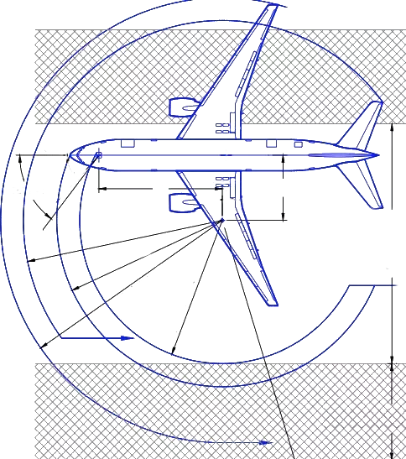
Steering Angle | 45 | degrees |  | 787 has 70 deg steering angle
Wingtip FS | 2227.94 | IN |  |  |  |  |  | 103.86
Wingtip BL | 565 | IN |  |  |  |  |  | FT
Nose FS | 500 | IN |  |  | 108.55 |  |  |  |  | 45
Engine Inlet FS | 1972.4 |  |  |  | FT |  |  |  |  | DEG
Engine Inlet BL | 417.7
HT Tip FS | 2835.1
HT Tip BL | 182 |  |  |  |  |  | 135.74
 |  |  |  |  |  |  | FT
NLG FS | 1254.7 | IN
MLG FS | 1965.6 | IN
MLG BL | 164.6 | IN
MLG Truck Width | 30.7 | IN
MLG Tire Width | 13.0 | IN
NLG Truck Width | 22.0 | IN
NLG Tire Width | 11.5 | IN
Delta FS | 710.9 | IN
Turn Center BL | 710.9 | IN | 59.24 | FT
NLG Radius | 1022.1 | IN | 85.17 | FT |  |  |  |  |  | 710.9
MLG Opp Radius | 897.3 | IN | 74.78 | FT |  |  |  |  |  | FT
Wingtip Radius | 1302.6 | IN | 108.55 | FT
Nose Radius | 1628.9 | IN | 135.74 | FT
HT Radius | 1246.3 | IN | 103.86 | FT
Min 180 Tarmac | 1919.4 | IN | 159.95 | FT |  | 85.17 | FT

Engine Radius | 1128.6 | IN | 94.05 | FT
Min 180 Tarmac Engine | 2150.7 | IN | 179.22 | FT

 |  |  |  |  |  |  |  |  |  | 59.24
 |  |  |  |  |  |  |  |  |  | FT

 |  |  |  |  |  |  |  | 159.95 | FT

